Contents

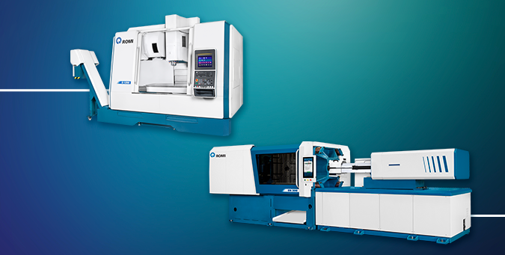

INDIVIDUAL FINANCIAL STATEMENTS IN IFRS

Parent Company Balance Sheet
Parent Company Income Statement for the Period
Parent Company Income Statement Fiscal Year

CONSOLIDATED FINANCIAL STATEMENTS IN IFRS

Consolidated Balance Sheet
Consolidated Income Statement for the Period
Consolidated Income Statement Fiscal Year

ROMI S.A.
Relação com Investidores
dri@romi.com

Demonstração de Resultados

DRE Período, Controladora (IFRS)

Passivo - Controladora
Passivo - Consolidado

Balanço Patrimonial

